CX config SBDF mapping
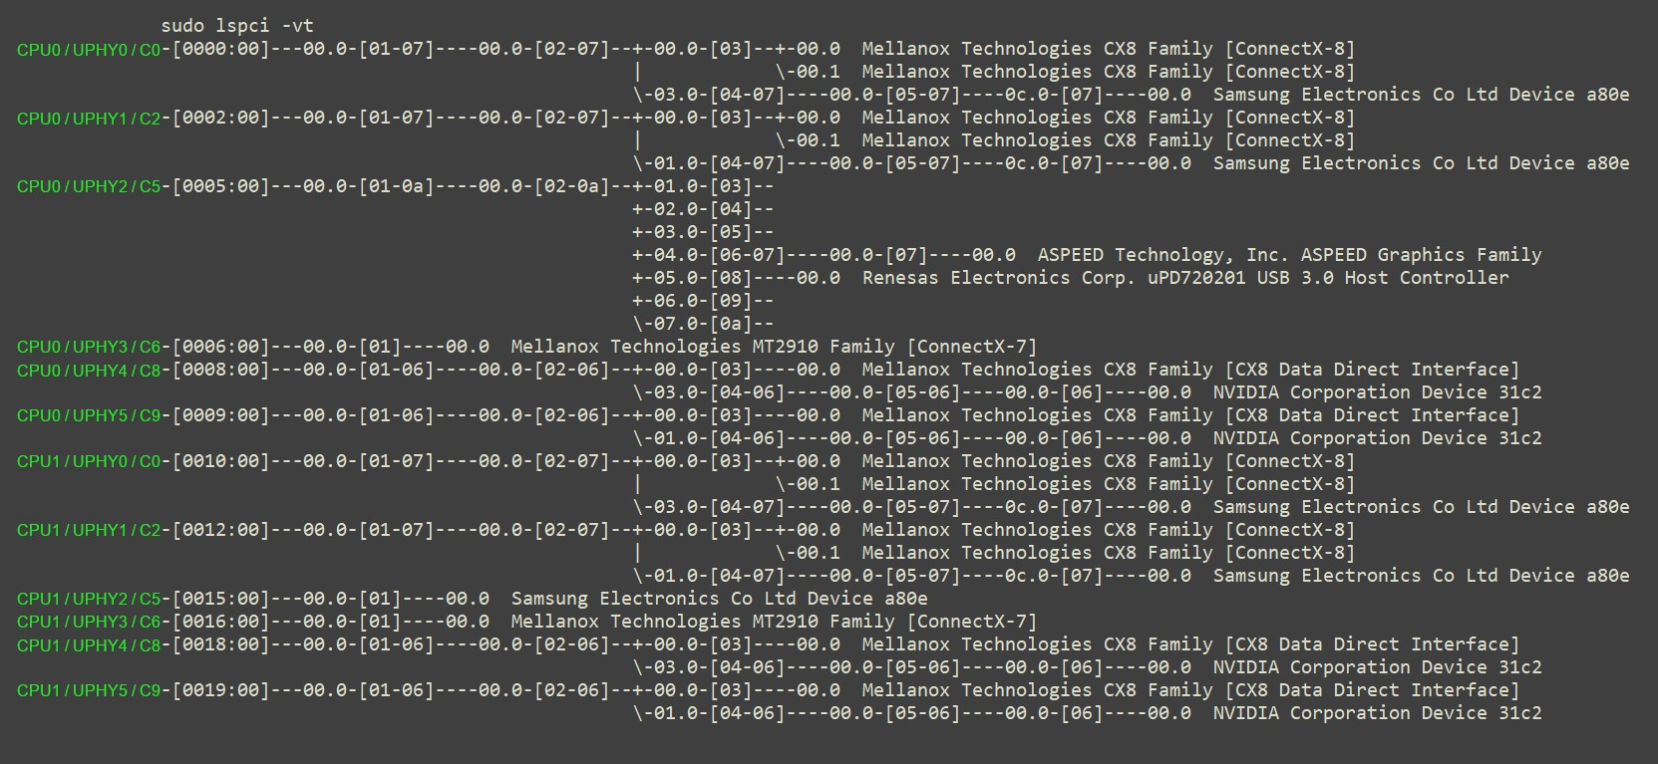
CPU | UPHY | Cx | SBDF
0 | 0 | C0 | 0000:00:00:00
0 | 1 | C2 | 0002:00:00:00
0 | 2 | C5 | 0005:00:00:00
0 | 3 | C6 | 0006:00:00:00
0 | 4 | C8 | 0008:00:00:00
0 | 5 | C9 | 0009:00:00:00
1 | 0 | C0 | 0000:00:00:00
1 | 1 | C2 | 0002:00:00:00
1 | 2 | C5 | 0005:00:00:00
1 | 3 | C6 | 0006:00:00:00
1 | 4 | C8 | 0008:00:00:00
1 | 5 | C9 | 0009:00:00:00

